Sheet1
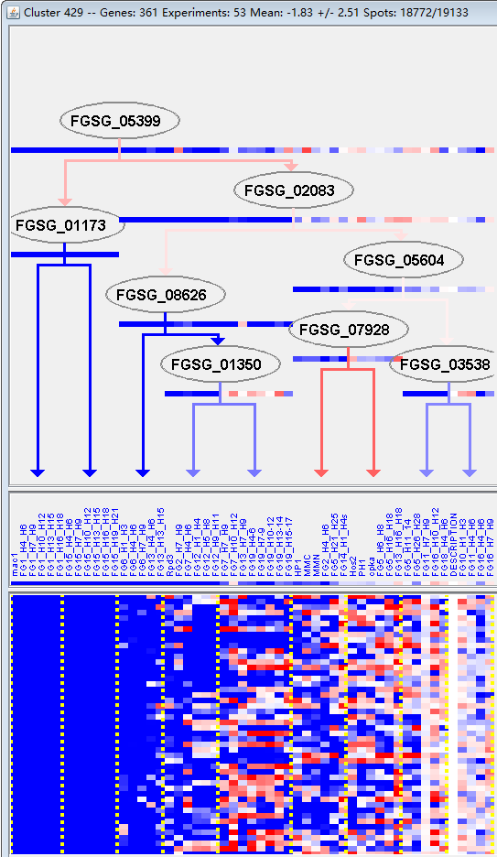
k | Filter | FUNCTIONAL CATEGORY | abs SET | rel SET | genes SET | abs GENOME | rel GENOME | rel SET/rel GENOME | P-VALUE | Bonferroni_corr | FDR
01.06 lipid, fatty acid and isoprenoid metabolism | 34 | 11 | FGSG_00338 FGSG_01150 FGSG_01256 FGSG_01289 FGSG_01743 FGSG_01867 FGSG_01924 FGSG_01973 FGSG_01975 FGSG_02489 FGSG_02502 FGSG_02522 FGSG_02634 FGSG_04087 FGSG_03851 FGSG_03819 FGSG_03803 FGSG_03687 FGSG_03517 FGSG_03497 FGSG_03066 FGSG_05087 FGSG_05164 FGSG_05375 FGSG_05525 FGSG_06215 FGSG_06645 FGSG_06688 FGSG_07347 FGSG_07450 FGSG_08463 FGSG_09639 FGSG_10126 FGSG_10362 | 850 | 6.14 | 1.791530945 | 0.000625968
02.16.13 acetate fermentation | 2 | 0.65 | FGSG_01743 FGSG_10126 | 3 | 0.02 | 32.5 | 0.001452727
01.20.19.01 metabolism of porphyrins | 4 | 1.3 | FGSG_05159 FGSG_08760 FGSG_08727 FGSG_09378 | 25 | 0.18 | 7.222222222 | 0.002085973
01.01.06.05.01 biosynthesis of methionine | 4 | 1.3 | FGSG_01417 FGSG_01867 FGSG_08463 FGSG_09572 | 28 | 0.2 | 6.5 | 0.003204475
20.03 transport facilities | 30 | 9.77 | FGSG_00613 FGSG_11979 FGSG_11988 FGSG_02400 FGSG_04579 FGSG_03869 FGSG_12379 FGSG_03477 FGSG_03202 FGSG_04783 FGSG_04899 FGSG_05159 FGSG_05164 FGSG_05527 FGSG_05589 FGSG_05968 FGSG_06509 FGSG_06566 FGSG_07129 FGSG_07131 FGSG_07509 FGSG_07518 FGSG_07582 FGSG_08802 FGSG_08669 FGSG_08221 FGSG_09342 FGSG_10362 FGSG_10531 FGSG_11248 | 808 | 5.84 | 1.672945205 | 0.003994182
43.01.03.09 development of asco- basidio- or zygospore | 11 | 3.58 | FGSG_00737 FGSG_01973 FGSG_02237 FGSG_05455 FGSG_06688 FGSG_07347 FGSG_07946 FGSG_08692 FGSG_08669 FGSG_10042 FGSG_10939 | 196 | 1.41 | 2.539007092 | 0.004415183
01.20.19 metabolism of secondary products derived from glycine, L-serine and L-alanine | 4 | 1.3 | FGSG_05159 FGSG_08760 FGSG_08727 FGSG_09378 | 32 | 0.23 | 5.652173913 | 0.005250344
16.21.05 FAD/FMN binding | 9 | 2.93 | FGSG_00706 FGSG_01395 FGSG_01867 FGSG_05374 FGSG_06215 FGSG_08463 FGSG_09378 FGSG_09639 FGSG_13617 | 151 | 1.09 | 2.688073394 | 0.006590064
01.06.06 isoprenoid metabolism | 10 | 3.25 | FGSG_01256 FGSG_02502 FGSG_02522 FGSG_03819 FGSG_03517 FGSG_03066 FGSG_05087 FGSG_06215 FGSG_06688 FGSG_07450 | 184 | 1.33 | 2.443609023 | 0.008089439
01.06.02 membrane lipid metabolism | 9 | 2.93 | FGSG_00338 FGSG_01150 FGSG_01289 FGSG_01973 FGSG_02489 FGSG_03851 FGSG_03803 FGSG_05525 FGSG_10362 | 156 | 1.12 | 2.616071429 | 0.008096087
02.01.03 regulation of glycolysis and gluconeogenesis | 3 | 0.97 | FGSG_01445 FGSG_04343 FGSG_09280 | 20 | 0.14 | 6.928571429 | 0.009340043
01.06.02.02 glycolipid metabolism | 4 | 1.3 | FGSG_02489 FGSG_03851 FGSG_03803 FGSG_05525 | 39 | 0.28 | 4.642857143 | 0.01064023
01.06.06.11 tetracyclic and pentacyclic triterpenes (cholesterin, steroids and hopanoids) metabolism | 8 | 2.6 | FGSG_02502 FGSG_02522 FGSG_03819 FGSG_03517 FGSG_05087 FGSG_06215 FGSG_06688 FGSG_07450 | 136 | 0.98 | 2.653061224 | 0.010958586
01.05.02.04 sugar, glucoside, polyol and carboxylate anabolism | 6 | 1.95 | FGSG_00175 FGSG_01445 FGSG_04343 FGSG_07891 FGSG_09280 FGSG_09494 | 85 | 0.61 | 3.196721311 | 0.011523642
01.08 metabolism of intercellular mediators | 2 | 0.65 | FGSG_01924 FGSG_13617 | 9 | 0.06 | 10.83333333 | 0.015958833
01.01.06.05 metabolism of methionine | 4 | 1.3 | FGSG_01417 FGSG_01867 FGSG_08463 FGSG_09572 | 44 | 0.31 | 4.193548387 | 0.016113681
20.01.07 amino acid/amino acid derivatives transport | 7 | 2.28 | FGSG_00613 FGSG_01352 FGSG_12379 FGSG_03751 FGSG_07129 FGSG_07131 FGSG_08221 | 120 | 0.86 | 2.651162791 | 0.01755719
20.01 transported compounds (substrates) | 48 | 15.6 | FGSG_00613 FGSG_00706 FGSG_00808 FGSG_01352 FGSG_01395 FGSG_11988 FGSG_01867 FGSG_01924 FGSG_01975 FGSG_02400 FGSG_02657 FGSG_04579 FGSG_04054 FGSG_03869 FGSG_12379 FGSG_03761 FGSG_03751 FGSG_03477 FGSG_03202 FGSG_04783 FGSG_04899 FGSG_04911 FGSG_05159 FGSG_05164 FGSG_05374 FGSG_05375 FGSG_05527 FGSG_05791 FGSG_05968 FGSG_06215 FGSG_06509 FGSG_06566 FGSG_07129 FGSG_07131 FGSG_07509 FGSG_07518 FGSG_07582 FGSG_08802 FGSG_08669 FGSG_08463 FGSG_08221 FGSG_09303 FGSG_09342 FGSG_09378 FGSG_13617 FGSG_10362 FGSG_10531 FGSG_11248 | 1597 | 11.5 | 1.356521739 | 0.017719213
01.07.01 biosynthesis of vitamins, cofactors, and prosthetic groups | 9 | 2.93 | FGSG_01395 FGSG_01743 FGSG_02657 FGSG_07264 FGSG_13280 FGSG_08760 FGSG_09572 FGSG_09639 FGSG_10126 | 179 | 1.29 | 2.271317829 | 0.018599652
10.03.01.01.03 G1/S transition of mitotic cell cycle | 4 | 1.3 | FGSG_02237 FGSG_04054 FGSG_05455 FGSG_08662 | 46 | 0.33 | 3.939393939 | 0.018716834
01.06.06.09 triterpenes metabolism | 1 | 0.32 | FGSG_06215 | 1 | 0 | 0 | 0.022204542
30.05 transmembrane signal transduction | 9 | 2.93 | FGSG_00737 FGSG_11979 FGSG_01973 FGSG_02237 FGSG_02701 FGSG_05455 FGSG_06297 FGSG_06420 FGSG_10042 | 191 | 1.38 | 2.123188406 | 0.026936605
20 CELLULAR TRANSPORT, TRANSPORT FACILITIES AND TRANSPORT ROUTES | 57 | 18.5 | FGSG_00613 FGSG_00706 FGSG_00808 FGSG_01352 FGSG_01395 FGSG_11979 FGSG_11988 FGSG_01867 FGSG_01924 FGSG_01973 FGSG_01975 FGSG_02400 FGSG_02657 FGSG_04579 FGSG_04054 FGSG_03869 FGSG_03851 FGSG_12379 FGSG_03761 FGSG_03751 FGSG_03477 FGSG_03202 FGSG_04783 FGSG_04899 FGSG_04911 FGSG_05159 FGSG_05164 FGSG_05374 FGSG_05375 FGSG_05525 FGSG_05527 FGSG_05589 FGSG_05791 FGSG_05968 FGSG_06215 FGSG_06509 FGSG_06566 FGSG_07129 FGSG_07131 FGSG_07347 FGSG_07509 FGSG_07518 FGSG_07582 FGSG_08936 FGSG_08802 FGSG_08669 FGSG_08667 FGSG_08463 FGSG_08221 FGSG_09303 FGSG_09342 FGSG_09378 FGSG_13617 FGSG_10048 FGSG_10362 FGSG_10531 FGSG_11248 | 2007 | 14.5 | 1.275862069 | 0.028087246
32.05.01.03.03 inorganic chemical agent resistance (e.g. heavy metals) | 2 | 0.65 | FGSG_05159 FGSG_05527 | 15 | 0.1 | 6.5 | 0.042653524
01.05.25 regulation of C-compound and carbohydrate metabolism | 9 | 2.93 | FGSG_01445 FGSG_04343 FGSG_04068 FGSG_04054 FGSG_05630 FGSG_06558 FGSG_06566 FGSG_09342 FGSG_10042 | 208 | 1.5 | 1.953333333 | 0.042822282
01 METABOLISM | 89 | 28.9 | FGSG_00175 FGSG_00338 FGSG_00489 FGSG_00706 FGSG_00808 FGSG_01150 FGSG_01256 FGSG_01289 FGSG_01395 FGSG_01417 FGSG_01445 FGSG_01572 FGSG_11979 FGSG_11988 FGSG_01743 FGSG_01867 FGSG_01924 FGSG_01973 FGSG_01975 FGSG_02489 FGSG_02502 FGSG_02522 FGSG_02634 FGSG_02657 FGSG_12231 FGSG_04477 FGSG_04456 FGSG_04343 FGSG_04087 FGSG_04077 FGSG_04068 FGSG_04054 FGSG_04022 FGSG_03851 FGSG_03819 FGSG_03803 FGSG_03761 FGSG_03687 FGSG_03544 FGSG_03517 FGSG_03497 FGSG_03477 FGSG_03066 FGSG_02807 FGSG_05087 FGSG_05159 FGSG_05164 FGSG_05374 FGSG_05375 FGSG_12745 FGSG_05525 FGSG_05630 FGSG_05683 FGSG_05791 FGSG_06215 FGSG_06287 FGSG_06297 FGSG_06328 FGSG_06558 FGSG_06566 FGSG_06645 FGSG_06688 FGSG_06977 FGSG_07258 FGSG_07264 FGSG_07347 FGSG_07450 FGSG_07582 FGSG_07891 FGSG_07946 FGSG_08922 FGSG_13280 FGSG_08760 FGSG_08727 FGSG_08669 FGSG_08463 FGSG_09280 FGSG_09342 FGSG_09378 FGSG_09494 FGSG_09572 FGSG_09639 FGSG_13617 FGSG_09885 FGSG_10042 FGSG_10126 FGSG_10362 FGSG_10531 FGSG_10939 | 3402 | 24.6 | 1.174796748 | 0.042994171
01.08.01 metabolism of neurotransmitters | 1 | 0.32 | FGSG_01924 | 2 | 0.01 | 32 | 0.043917613
01.20.13 metabolism of derivatives of homoisopentenyl pyrophosphate | 1 | 0.32 | FGSG_06215 | 2 | 0.01 | 32 | 0.043917613
01.20.25 metabolism of secondary products derived from L-valin, L-leucin and L-isoleucin | 1 | 0.32 | FGSG_05087 | 2 | 0.01 | 32 | 0.043917613
02.16.03.03 heterofermentative pathway and fermentaton of other saccharides | 1 | 0.32 | FGSG_06328 | 2 | 0.01 | 32 | 0.043917613
30.05.02.14 Notch-receptor signalling pathway | 2 | 0.65 | FGSG_02237 FGSG_05455 | 16 | 0.11 | 5.909090909 | 0.048047097

01.06脂类、脂肪酸及异戊酸代谢
02.16.13醋酸发酵

